MAPPING
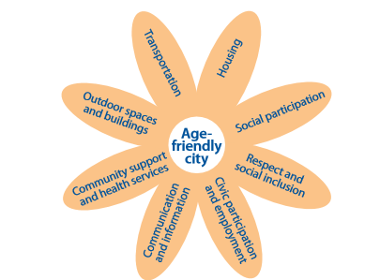
WHO THEMES | GALWAY AGE FRIENDLY PROGRAMME
Outdoor space and buildings | 1. To promote a built and social environment which will enable people of all ages, but particularly the older members of our community, to be engaged and to feel and be safe both at home and out and about.
Transportation | 2. To ensure that as far as possible, older people can get to where they need to go, when they need to do so.
Housing | 3. To facilitate all members of the community living at home in their own homes and communities for as long as possible.
Social Participation | 4. To promote participation in social, economic, cultural and public life for all members of the community.
Respect and social inclusion | 6. To promote the concept and the practice of intergenerational activities throughout our community and to create respect across the generations.
Civic participation and Employment | 5. To develop a partnership between the Alliance and NUI Galway, and particularly the University’s two most relevant (to this strategy) centres, Project Lifecourse and the Community Knowledge Initiative. This partnership will help to promote the concept of an age-friendly society and an age-friendly University, and thereby make Galway a flagship for the integration of practice and research in the areas of ageing and the family.
Communication and information | 7. To work with the Older Persons Council, and other groups representing the older members of the community, by engaging in a two-way process of communication which will enhance progress in relation to the other strategic priorities. Through this process we will also ensure that older adults have the information they need to live full lives.
Community support and health services | 8. To support and promote all initiatives which will enable people to live healthier and active lives for longer.

